Sheet1
Module | Bug ID | Bug Title | Bug Description | Img
Admin account
Navbar | 1 | Functionality | Notification bell is not functioning
 | 2 | Account settings>SMTP configuration (Email) | On hold
 | 3 | Logo and display options (Preferences) | Not able to crop the image after uploading
 | 4 | Configuration | Failed to save settings
 | 5 | Notifications>Page redirection | When clicking the notifications it shows employee profile
Dashboard | 6 | Overview>Employee overview (Quick links) | On leave and new hires is not functioning
 | 7 | Overview>Operations overview (Quick links) | Draft and approved is not functioning
 | 8 | Performance>Client performance | After disabling the auto refresh it immediately auto starts (Enabled)
 | 9 | Performance>Client performance & server performance | The page is not auto refreshing
People | 10 | All employees>View profile>Payslip>Date selection | The date selection is not correctly configuring
 | 11 | All employees>View profile>User account>Unlock account | Unlock account is not there if an account is locked
 | 12 | All employees>View profile>User account>Send welcome email | Cannot read properties of undefined (reading 'toUpperCase')
 | 13 | All employees>View profile>User account>Force logout | Force logout feature requires backend session management
 | 14 | All employees>View profile>Edit profile>Configuration | Not able to congifure compensation details
 | 15 | All employees>View profile>Edit profile>Profile image | Not able to crop the image after uploading
 | 16 | All employees>View profile>Edit profile>Save changes | Profile image is not updated
 | 17 | All employees>View profile>Edit profile>Save changes | Employee ID is not updated
 | 18 | Employee reviews>No data | No reviews and data found after creating a new review
Leave | 19 | Leave Balance Not Auto-Updating After Leave Request Submission | While testing the leave module, I observed that the leave balance does not automatically update after submitting or modifying a leave request. The updated leave balance is only reflected after performing a manual page refresh.
 | 20 | Unable to Create Leave Balance – API Returns 400 Error | While attempting to create or add a leave balance in the Leave Balance Administration module, the system fails and displays an error message: "Failed to create leave balance: Request failed with status code 400". | 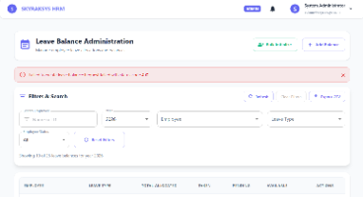
Timesheet | 21 | Manual Attendance Edit Saves Incorrect Time Values | In the Attendance Management module, when editing an attendance record using the manual edit option, the system does not save the selected time correctly.Instead of storing the user-selected time, the system saves and displays a different (random/incorrect) time value after submission.
 | 22 | Attendance PDF Export Downloads with Empty Data | In the Attendance Management module, when exporting attendance data, the CSV format downloads correctly with all data, but the PDF export downloads with empty content, even though attendance records are present in the system.
 | 23 | Unable to Edit Task – Validation Error on Update | While attempting to edit an existing task in the task management module, the system throws a "Validation failed" error upon saving, even when all required fields are properly filled with valid data. | 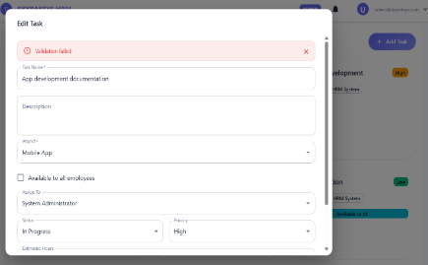
My work | 24 | My Leave - cancelation of leave not available | When a leave request is applied and that is needed to be canceled then there is no button to request to cancel leave
System | 25 | User Management | when an user created we could log in into it but it does not have any access to any module like leave,timesheet and etc,. even after refresh | 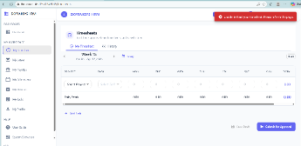
 | 26 | Restore Records | No data is avaliable even when data was terminated | 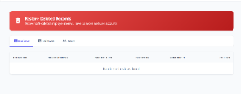
Payroll & Report | 27 | Payroll management - Payment process | when typed in the search option the cursor tends to move when a letter is typed or erased
Employee account
Navbar | 1 | Functionality | Notification bell is not functioning
 | 2 | Notifications>Page redirection | When clicking the notifications it shows employee profile
 | 3 | Help & User guide videos | The video is not played
 | 4 | View profile>Edit profile>Save changes | Not able to configure properly and save the changes
Overview | 5 | Quick links | Profile link exceeds with 404 page not found
Help | 6 | System showcase | Page exceeds with access denied

Mobile view
502 bad gateway ---> http://46.225.73.94:8085

Overall application
The application automatically logs out the user and redirects to the login page. When attempting to log in again using valid credentials, the system fails to authenticate and displays an error message. This issue occurs even when the entered username and password are correct. |  |  |  | 